Sheet1
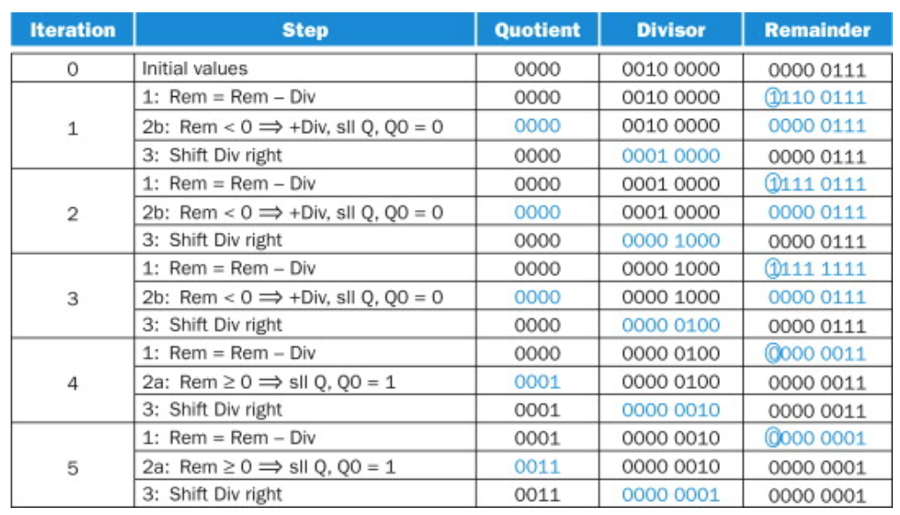
 | Iteration | Step | Quotient | Divisor | Remainder
 |  | Initial values | 0 | 1111 0000 | 0011 0001
 |  | 1: Rem = Rem - Div | 0 | 1111 0000 | Sub Value < 0
 |  | 2b: Rem < 0 -> +Div, sll Q, Q0 = 0 | 0 | 1111 0000 | 0011 0001
 |  | 3: Shift Div right | 0 | 0111 1000 | 0011 0001
 |  | 1: Rem = Rem - Div | 0 | 0111 1000 | Sub Value < 0
 |  | 2b: Rem < 0 -> +Div, sll Q, Q0 = 0 | 0 | 0111 1000 | 0011 0001
 |  | 3: Shift Div right | 0 | 0011 1100 | 0011 0001
 |  | 1: Rem = Rem - Div | 0 | 0011 1100 | Sub Value < 0
 |  | 2b: Rem < 0 -> +Div, sll Q, Q0 = 0 | 0 | 0011 1100 | 0011 0001
 |  | 3: Shift Div right | 0 | 0001 1110 | 0011 0001
 |  | 1: Rem = Rem - Div | 0 | 0001 1110 | 0001 0011
 |  | 2a: Rem ≥ 0 -> sll Q, Q0 = 1 | 1 | 0001 1110 | 0001 0011
 |  | 3: Shift Div right | 1 | 0000 1111 | 0001 0011
 |  | 1: Rem = Rem - Div | 1 | 0000 1111 | 0000 0100
 |  | 2a: Rem ≥ 0 -> sll Q, Q0 = 1 | 11 | 0000 1111 | 0000 0100
Integer Division ends here? |  | 3: Shift Div right | 11 | 0000 0111 | 0000 0100
 |  | 1: Rem = Rem - Div | 11 | 0000 0111 | Sub Value < 0
 |  | 2b: Rem < 0 -> +Div, sll Q, Q0 = 0 | 110 | 0000 0111 | 0000 0100
 |  | 3: Shift Div right | 110 | 0000 0011 | 0000 0100
 |  | 1: Rem = Rem - Div | 110 | 0000 0011 | 0000 0001 | ^ 7 / 2
 |  | 2a: Rem ≥ 0 -> sll Q, Q0 = 1 | 1101 | 0000 0011 | 0000 0001
 |  | 3: Shift Div right | 1101 | 0000 0001 | 0000 0001
 |  | 1: Rem = Rem - Div | 1101 | 0000 0001 | 0000 0000
 |  | 2a: Rem ≥ 0 -> sll Q, Q0 = 1 | 11011 | 0000 0001 | 0000 0000
 |  | 3: Shift Div right | 11011 | 0000 0000 | 0000 0000

 |  | 49 / 15 =(approximate) 2.266(repeating)
 |  | 11.011 = 3 + 1/4 +1/8 = 3.25 + 0.125 = 3.375

